Sheet1
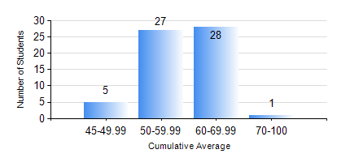
 |  |  | KWAME NKRUMAH UNIVERSITY OF SCIENCE AND TECHNOLOGY, KUMASI Department of Agricultural and Biosystems Engineering

 |  |  | BSC. AGRICULTURAL ENG.

 |  |  | COMPREHENSIVE RECORD OF EXAMINATION RESULTS

 |  |  | RESULTS OF YEAR 4 FIRST SEMESTER, 2018/2019 ACADEMIC YEAR

 | Sn | Course Code |  | Course Name | Credit Hours | Min. Mark | Max. Mark | Avg. Mark | Std. Dev. | No. Passed | No. Trailed | No. (Df) | No. (I) | No. (I*) | No. Tagged(I,I*,Df) | Total
 | 1. | AE 451 |  | IRRIGATION AND DRAINAGE | 3 | 49 | 82 | 64 | 7.24 | 61 | 0 | 0 | 0 | 0 | 0 | 61
 | 2. | AE 453 |  | ENVIRONMENTAL CONTROL AND LIVESTOCK HOUSING | 2 | 26 | 83 | 60 | 9.39 | 59 | 2 | 0 | 0 | 0 | 0 | 61
 | 3. | AE 457 |  | CROP PROCESSING | 2 | 57 | 79 | 68 | 4.56 | 61 | 0 | 0 | 0 | 0 | 0 | 61
 | 4. | AE 459 |  | ADVANCED FARM POWER AND MACHINERY | 3 | 33 | 89 | 62 | 11.11 | 60 | 1 | 0 | 0 | 0 | 0 | 61
 | 5. | AE 471 |  | FARM STRUCTURES | 3 | 42 | 84 | 60 | 9.58 | 61 | 0 | 0 | 0 | 0 | 0 | 61
 | 6. | AE 497 |  | PROJECT I | 1 | 46 | 82 | 66 | 8.07 | 61 | 0 | 0 | 0 | 0 | 0 | 61
 | 7. | AE 499 |  | VACATION TRAINING | 2 | 45 | 86 | 71 | 7.69 | 61 | 0 | 0 | 0 | 0 | 0 | 61
 | 8. | ME 491 |  | ENGINEERING ECONOMICS AND MANAGEMENT | 3 | 40 | 68 | 53 | 8.21 | 61 | 0 | 0 | 0 | 0 | 0 | 61

